bottoms
Irregular
JEANS
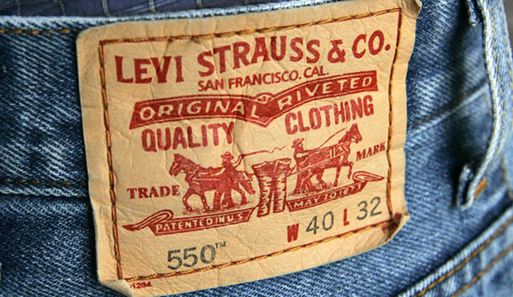


Levis IRR | Date:
 |  |  |  |  |  | 28 | 29 | 30 | 31 | 32 | 33 | 34 | 35 | 36 | 37 | 38 | 39 | 40 | 42 | 44 | 46 | 48 | 50 | 52 | 54 | 56 | 58 | 60

Style | Fit | Color | Reference | Units | Boxes
501/501CT | Original | Blue | 10001-0036 | 0 | 0
505/504 | Regular | Blue | 10001-0039 | 0 | 0
505/504 | Regular | Black/Grey | 10001-0040 | 0 | 0
517/527 | Bootcut | Assorted | 10001-0041 | 0 | 0
559 | Relaxed Straight | Assorted | 10001-0043 | 0 | 0
B&T | Assorted | Assorted | 10001-0062 | 0 | 0
502 / 508 / 512 / 522 | Taper | Assorted | 10001-0046 | 0 | 0
510 / 519 | Skinny | Assorted | 10001-0047 | 0 | 0
511 | Slim | Blue | 10001-0048 | 0 | 0
511 | Slim | Black/Grey | 10001-0049 | 0 | 0
514 | Straight | Blue | 10001-0052 | 0 | 0
514 | Straight | Black/Grey | 10001-0053 | 0 | 0
541 | Athletic | Blue | 10001-0054 | 0 | 0
541 | Atheltic | Black/Grey | 10001-0055 | 0 | 0
569 | Loose Straight | Assorted | 10001-0056 | 0 | 0
 |  |  |  | 0 | 0

